Layout
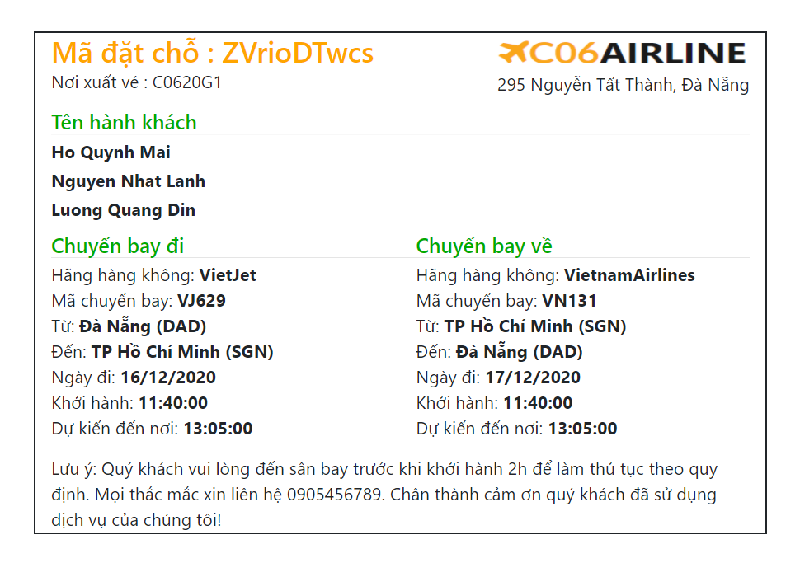
6.6.1.9. Nhập vé bán :
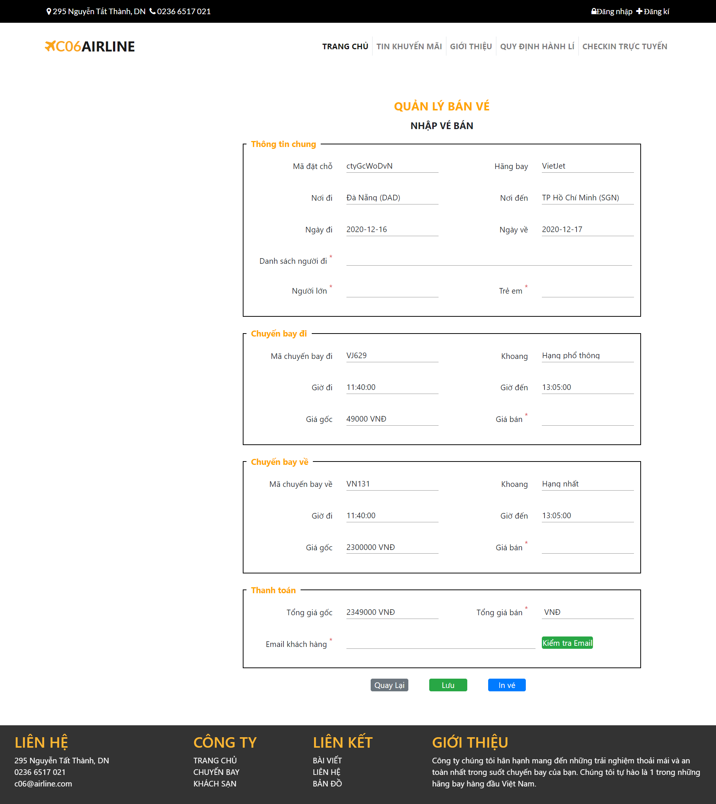

6.6.1.10. Xóa vé :
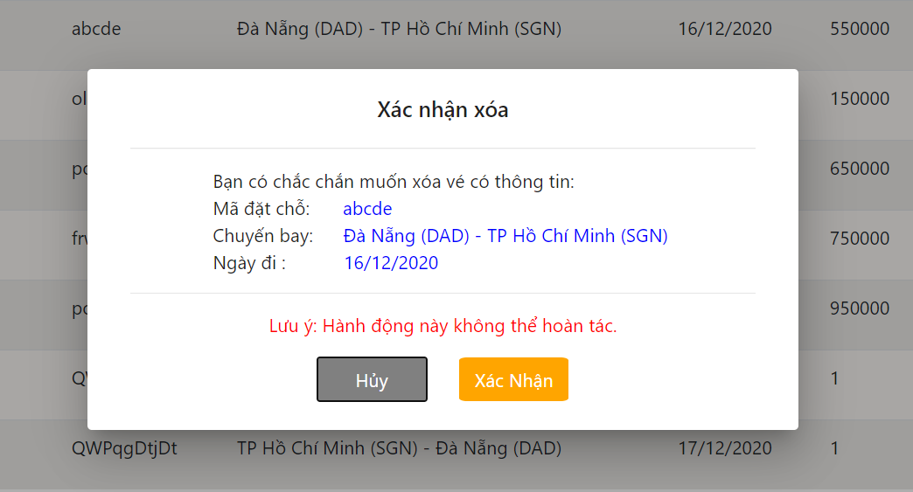

6.6.1.11. Sửa vé :
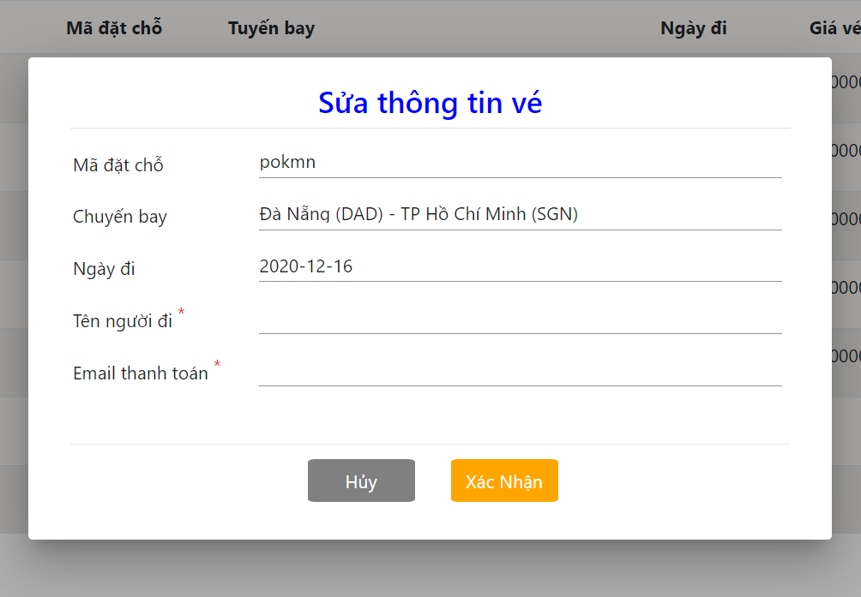

6.6.1.12. In vé :

